SCRIPT
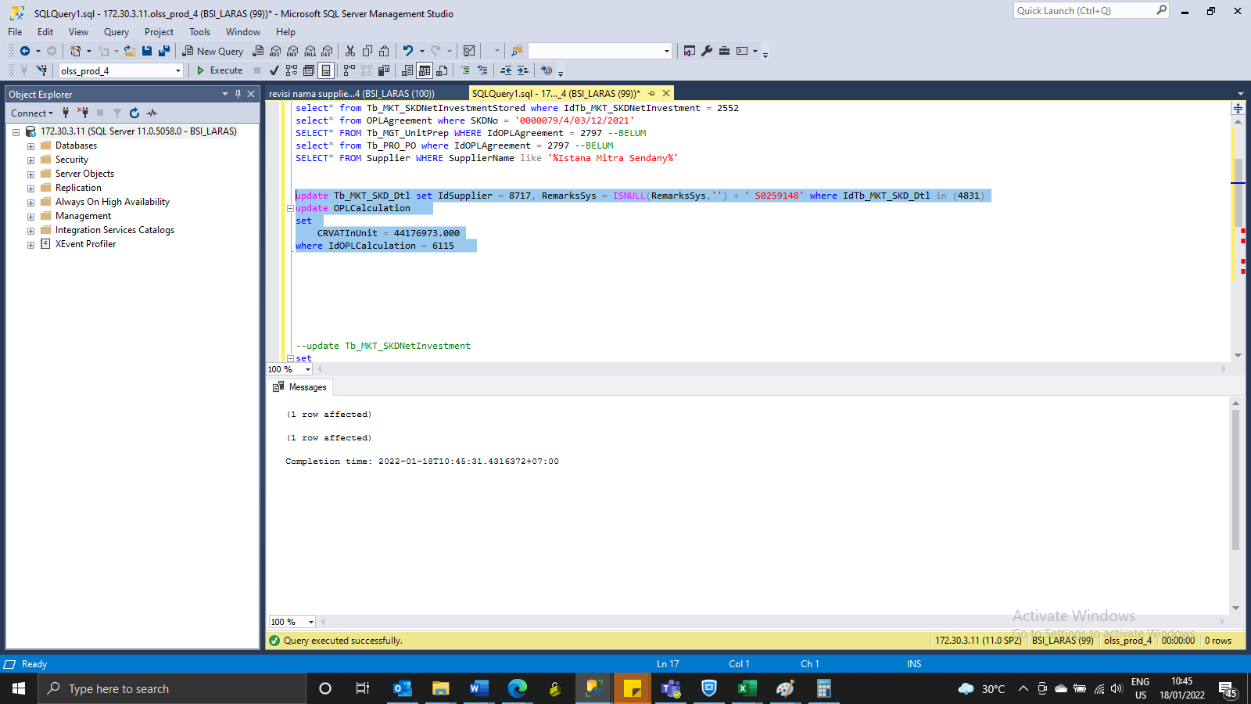
update Tb_MKT_SKD_Dtl set IdSupplier = 8717, RemarksSys = ISNULL(RemarksSys,'') + ' S0259148' where IdTb_MKT_SKD_Dtl in (4831)
update OPLCalculation
set
 | CRVATInUnit = 44176973.000
where IdOPLCalculation = 6115

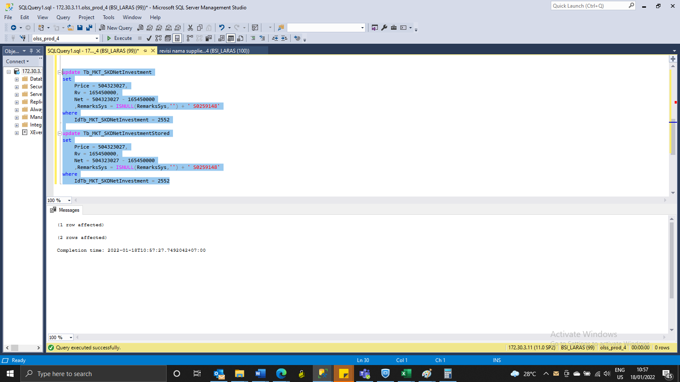
update Tb_MKT_SKDNetInvestment
set
Price = 504323027,
Rv = 165450000,
Net = 504323027 - 165450000
 | ,RemarksSys = ISNULL(RemarksSys,'') + ' S0259148'
where
IdTb_MKT_SKDNetInvestment = 2552

update Tb_MKT_SKDNetInvestmentStored
set
Price = 504323027,
Rv = 165450000,
Net = 504323027 - 165450000
 | ,RemarksSys = ISNULL(RemarksSys,'') + ' S0259148'
where
IdTb_MKT_SKDNetInvestment = 2552

SS
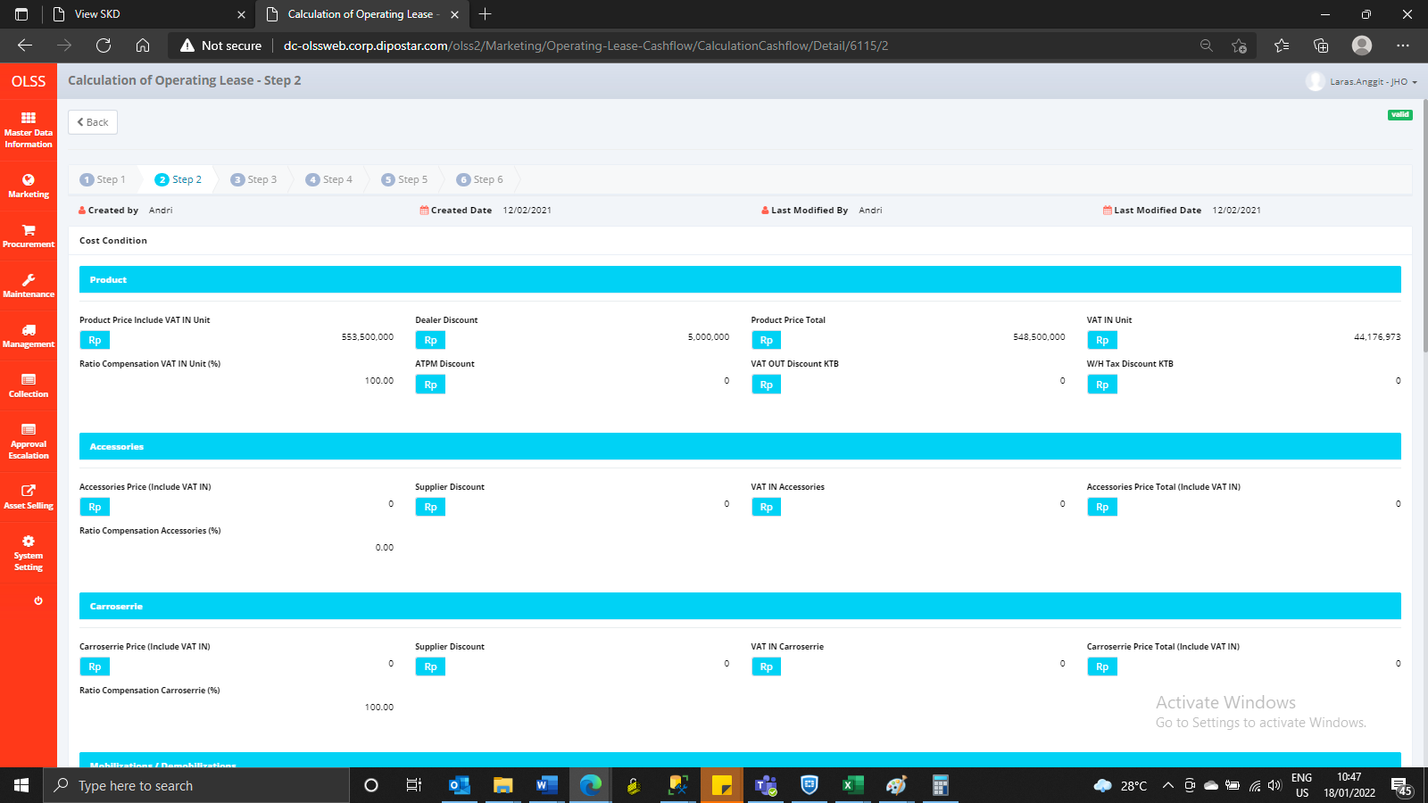
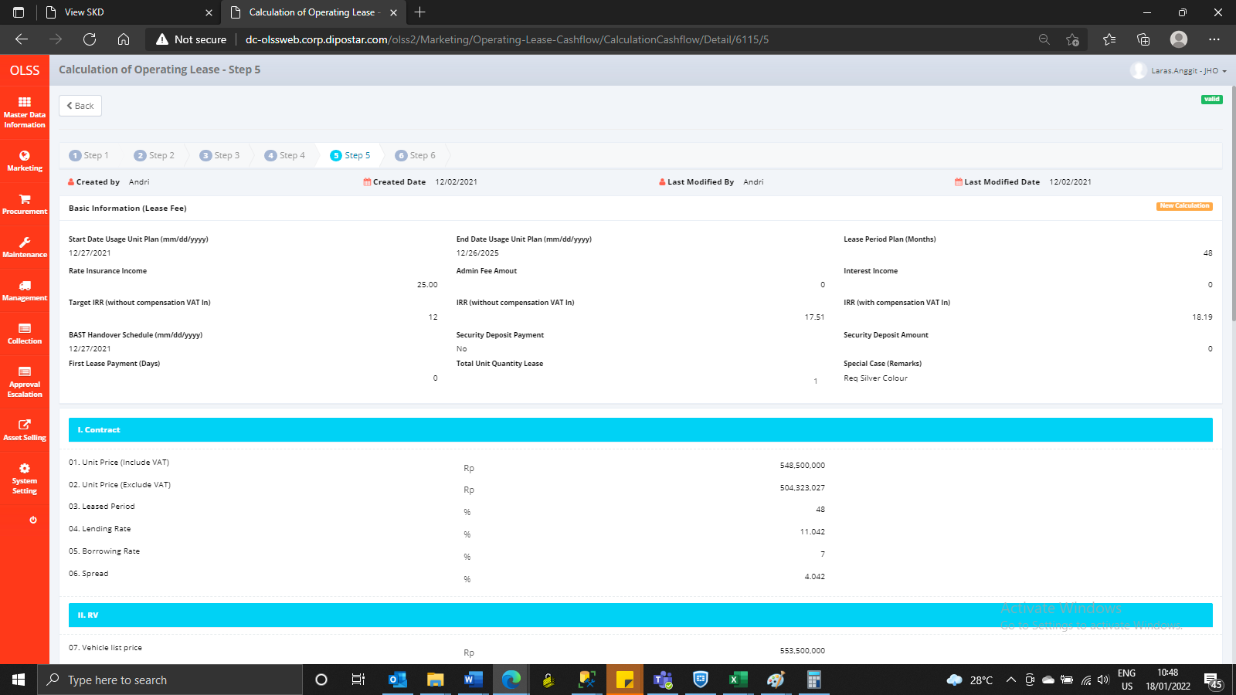
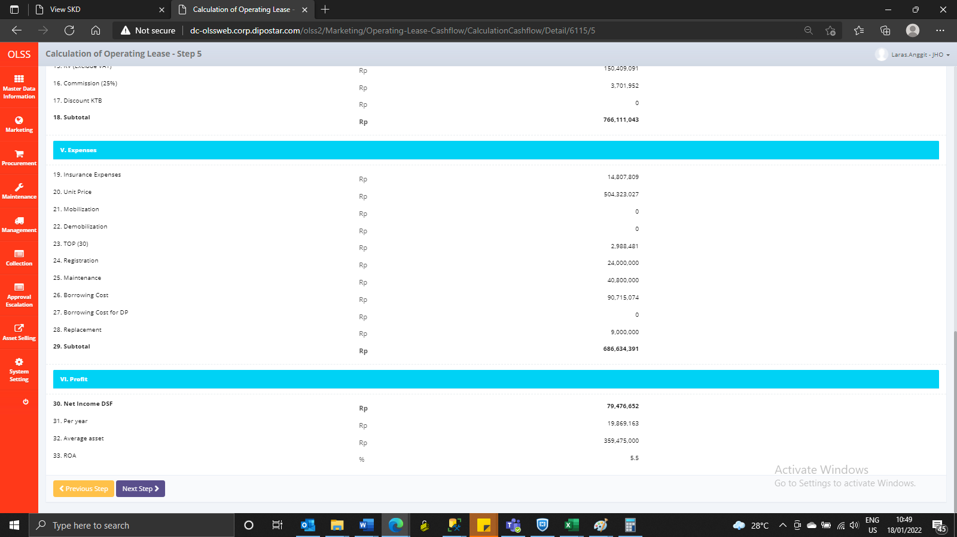
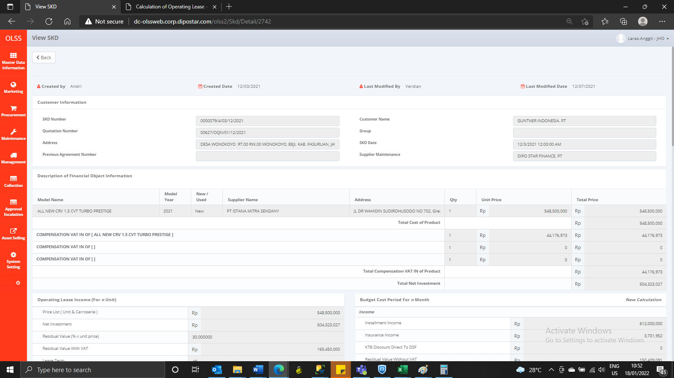
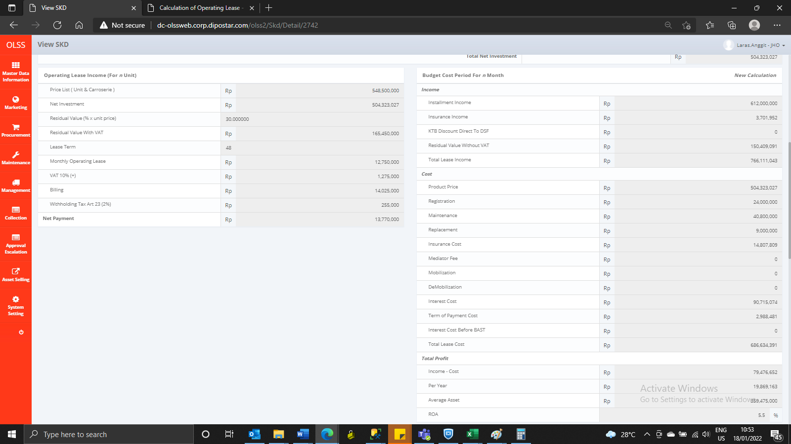
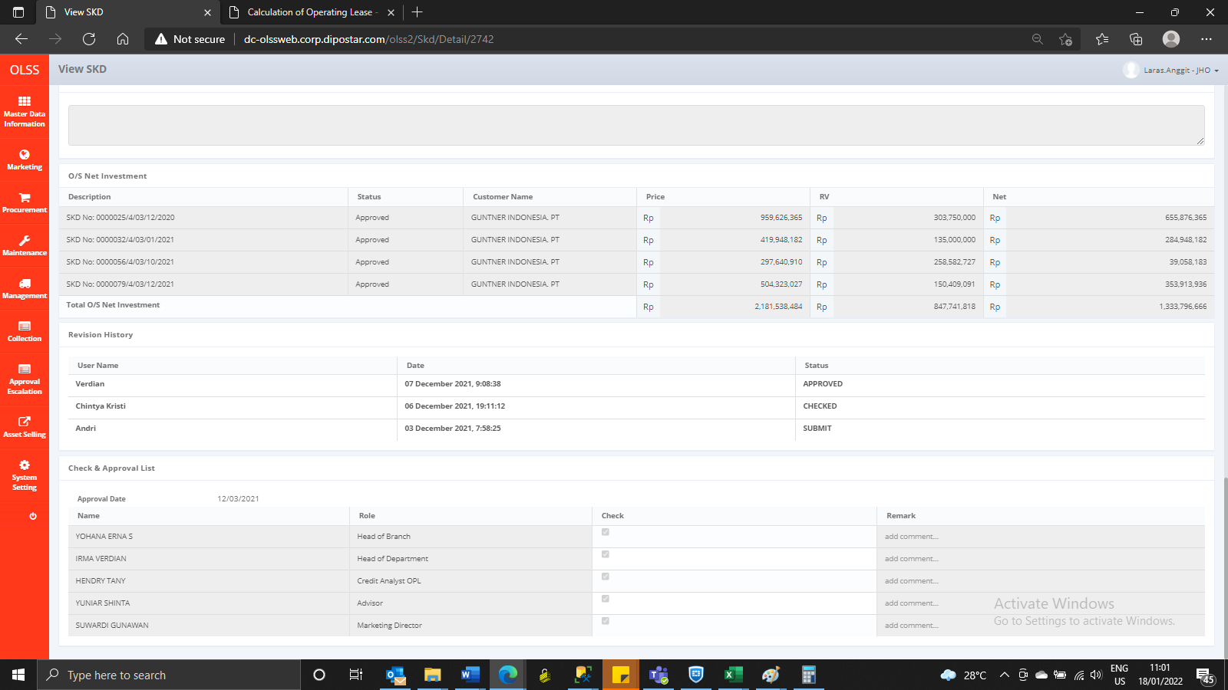
BEFORE






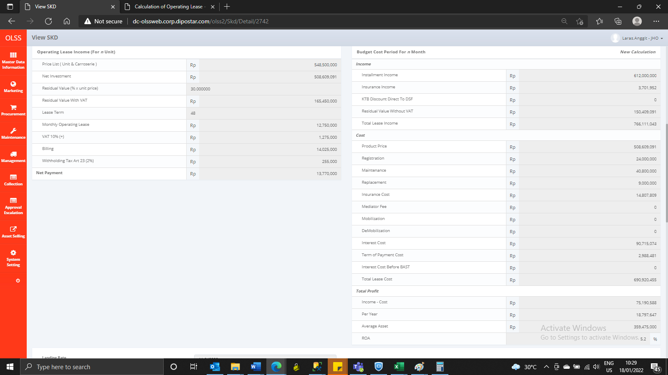


AFTER

